Sheet1
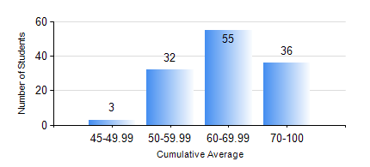
 |  |  | KWAME NKRUMAH UNIVERSITY OF SCIENCE AND TECHNOLOGY, KUMASI Department of Electrical/Electronic Engineering

 |  |  | BSC. ELECTRICAL/ELECTRONIC ENG.

 |  |  | COMPREHENSIVE RECORD OF EXAMINATION RESULTS

 |  |  | RESULTS OF YEAR 4 FIRST SEMESTER, 2019/2020 ACADEMIC YEAR

 | Sn | Course Code |  | Course Name | Credit Hours | Min. Mark | Max. Mark | Avg. Mark | Std. Dev. | No. Passed | No. Trailed | No. (Df) | No. (I) | No. (I*) | No. Tagged(I,I*,Df) | Total
 | 0. |  |  |  |  |  |  | 0 | 0 | 0 | 0 | 0 | 0 | 0 | 0 | 1
 | 1. | COE 381 |  | MICROPROCESSORS | 3 | 40 | 40 | 40 | 0 | 1 | 0 | 0 | 0 | 0 | 0 | 1
 | 2. | COE 475 |  | COMPUTER NETWORKING | 4 | 45 | 95 | 73 | 12.55 | 125 | 0 | 0 | 0 | 0 | 0 | 125
 | 3. | EE 463 |  | SPECIAL ELECTRICAL MACHINES | 3 | 59 | 95 | 82 | 7.49 | 112 | 0 | 0 | 0 | 0 | 0 | 112
 | 4. | EE 467 |  | POWER SYSTEMS OPERATION AND CONTROL | 3 | 5 | 94 | 72 | 13.36 | 124 | 1 | 0 | 0 | 0 | 0 | 125
 | 5. | EE 489 |  | INDUSTRIAL TRAINING | 1 | 41 | 94 | 86 | 6.14 | 124 | 0 | 1 | 0 | 0 | 1 | 125
 | 6. | EE 497 |  | PROJECT I | 3 | 42 | 77 | 67 | 7.06 | 125 | 0 | 0 | 0 | 0 | 0 | 125
 | 7. | ME 491 |  | ENGINEERING ECONOMICS AND MANAGEMENT | 3 | 44 | 83 | 67 | 7.46 | 125 | 0 | 0 | 0 | 0 | 0 | 125
 | 8. | TE 481 |  | WIRELESS DATA COMMUNICATION NETWORK | 3 | 40 | 80 | 60 | 13.99 | 17 | 0 | 0 | 0 | 0 | 0 | 17

